Statement
STATEMENT OF FARM GROSS INCOME
OFFICE OF STATE TAX COMMISSIONER
sfn 24703 (1-2020)
2018
CALENDAR YEAR

Farm residence property tax exemption under N.D.C.C. § 57-02-08(15)--This form must be completed and provided to the county in addition to the application form. Use this 2018 form only if basing compliance on income information for the 2018 calendar year.
See separate instructions |  |  |  |  |  | Note to Assessor - This is a CONFIDENTIAL RECORD

Occupant and property information

Identify the applicant and property. Property information must match that provided on application form.
1. Name of property owner |  |  |  |  |  |  |  | 4. Property (parcel) number

2. Occupant's name, if different from property owner |  |  |  |  |  |  |  | 5. Legal description of property

3. Property address

Occupant's total gross income from all sources (farm and nonfarm)

On lines 6 through 24, enter the gross income (farm and nonfarm) from the occupant's 2018 Form 1040, U.S. Individual Income Tax Return. If occupant is married, the spouse's income must be included whether they file joint or separate federal returns. See instructions for how to determine amount to enter on line 21.
IMPORTANT--These amounts must match the amounts used to determine if occupant is a farmer for 2018 under the special estimated income tax rules for farmers under Internal Revenue Code § 6654.

 |  |  |  |  |  |  |  |  |  | Gross Income
 | Form |  | Line No. |  | Description |  |  |  |  | (Farm and nonfarm)
6. | Form 1040 |  | 1 |  | Wages, salaries, tips, etc. |  |  |  |  | 6
7. | Form 1040 |  | 2b |  | Taxable interest |  |  |  |  | 7
8. | Form 1040 |  | 3b |  | Ordinary dividends |  |  |  |  | 8
9. | Form 1040 |  | 4b |  | Taxable IRAs, pensions, and annuities |  |  |  |  | 9
10. | Form 1040 |  | 5b |  | Taxable social security benefits |  |  |  |  | 10
11. | Form 1040, Sch. 1 |  | 13 |  | Capital gains |  |  |  |  | 11
12. | Form 1040, Sch. 1 |  | 10 |  | Taxable refunds, credits, or offsets of state and |  |  |  |  | 12
 |  |  |  |  | local income taxes
13. | Form 1040, Sch. 1 |  | 11 |  | Alimony |  |  |  |  | 13
14. | Form 1040, Sch. 1 |  | 14 |  | Other gains from Form 4797 |  |  |  |  | 14
15. | Form 1040, Sch. 1 |  | 19 |  | Unemployment compensation |  |  |  |  | 15
16. | Form 1040, Sch. 1 |  | 21 |  | Other income |  |  |  |  | 16
17. | Schedule C |  | 7 |  | Gross income |  |  |  |  | 17
18. | Schedule C-EZ |  | 1 |  | Gross receipts |  |  |  |  | 18
19. | Schedule E, Part l |  | 23a |  | Gross rents from rental properties |  |  |  |  | 19
20. | Schedule E, Part l |  | 23b |  | Gross royalties from royalty properties |  |  |  |  | 20
21. | See instructions for amount |  |  |  | Gross income from partnerships |  |  |  |  | 21
 | to enter on this line |  |  |  | and S corporations
22. | Schedule E, Part lll |  | 37 |  | Gross income from estates and trusts |  |  |  |  | 22
23. | Schedule F |  | 9 |  | Gross income |  |  |  |  | 23
24. | Form 4835 |  | 7 |  | Gross farm rental income (crop / livestock shares) |  |  |  |  | 24

25. | Total gross income (farm and non-farm). Add lines 6 through 24 |  |  |  |  |  |  |  |  | 25 | 0

2018 Statement of Farm Gross Income
SFN 24703 (1-2020), Page 2
 |  |  |  |  |  | Note to Assessor - This is a CONFIDENTIAL RECORD

26. | Total gross income (farm and non-farm). Enter amount from page 1, line 25 |  |  |  |  |  |  |  |  | 26 | 0

Occupant's gross income from farming activities

On lines 27 through 29, enter the gross income from farming activities from the occupant's 2018 Form 1040, U.S. Individual Income Tax Return. If occupant is married, the spouse's income gross income from farming activities must be included whether they file joint or separate federal returns. See separate instructions for how to determine amount to enter on line 29.
IMPORTANT--These amounts must match the amounts used to determine if occupant is a farmer for 2018 under the special estimated income tax rules for farmers under Internal Revenue Code § 6654.

 | Form |  | Line No. |  | Description |  |  |  |  | Farm Gross Income
27. | Schedule F |  | 9 |  | Gross income |  |  |  |  | 27
28. | Schedule E, Part V |  | 42 |  | Gross farm income from a partnership, |  |  |  |  | 28
 |  |  |  |  | S corporation, estate, trust, and Form 4835
29. | Form 4797 |  | Various |  | Gains from sale or exchange of livestock used for |  |  |  |  | 29
 |  |  |  |  | draft, dairy, breeding, or sporting purposes

30. | Gross income from farming activities. Add lines 27 through 29 |  |  |  |  |  |  |  |  | 30 | 0

31. | Farm gross income ratio. |  |  | If line 30 is equal to line 26 (even if amount is zero), the |  |  |  |  |  | 31 | 100%
 | ratio is 100%. Otherwise, divide line 30 by line 26

 |  | If line 31 is 66% or more, the applicant meets the farm gross income requirement for the calendar year.
 |  | The farm gross income requirement needs to be met in only one of the two calendar years preceding the year for which the farm residence property tax exemption is claimed.

Occupant statement of eligibility

As evidenced by this statement, sixty-six percent or more of my annual gross income (including that of my spouse, if applicable) is from qualifying farming activities for the calendar year for which this statement is filed.
I also declare that, under the penalties of N.D.C.C. § 12.1-11-02, which provides for a Class A misdemeanor for making a false statement in a governmental matter, this statement, including any accompanying documentation, has been examined by me, and to the best of my knowledge and belief is a true, correct, and complete statement.

Occupant's signature |  |  |  |  |  |  |  |  | Date

Signature of occupant's spouse, if applicable |  |  |  |  |  |  |  |  | Date

Due date |  |  |  |  |  |  | Where to file
This statement must be filed on or before March 31 of the year for which the exemption has been requested. |  |  |  |  |  |  | File the completed statement with the assessor's office where the application for the farm residence property tax exemption was filed.

Instructions
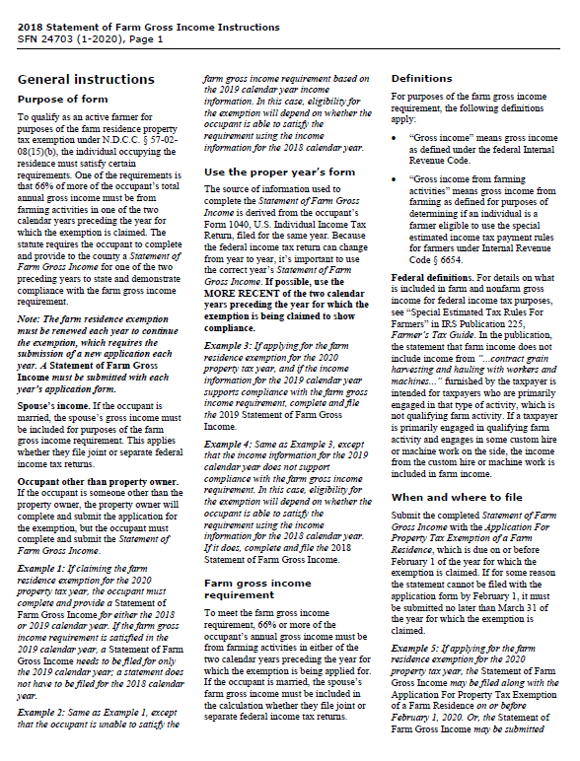
Double-click on the image of the instructions below. A PDF of the two-page instruction document will open in your PDF reader.

Note: The PDF may open in your PDF reader behind this Excel document.

